Sheet1
1 | Marine | Drifter | Radio-position telemetry | Freqency
2 | Marine | Drones | Laser
3 | Marine | Drones | LiDAR
4 | Marine | Drones | Logger
5 | Marine | Drones | RGB
6 | Marine | Drones | Strapping surgical sponges
7 | Marine | Glider | Hydro-acoustic sensor
8 | Marine | Glider | Physical Chemical sensor
9 | Marine | ROVs AUVs | Grabber Sampler
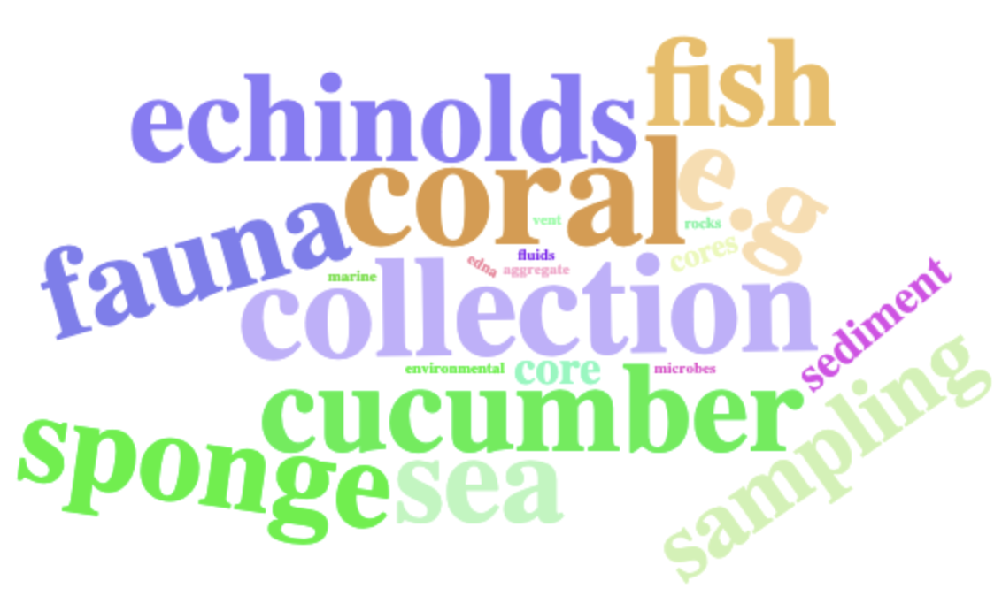
10 | Marine | ROVs AUVs | Hyperspectral
11 | Marine | ROVs AUVs | Physical Chemical sensor
12 | Marine | ROVs AUVs | RGB
13 | Marine | ROVs AUVs | Sonar
14 | NA | Biorobots | NA
15 | NA | Drones | Multispectral
16 | Terrestrial | Drones | Hyperspectral
17 | Terrestrial | Drones | LiDAR
18 | Terrestrial | Drones | Multispectral
19 | Terrestrial | Drones | Near-Infrared Thermal infrared
20 | Terrestrial | Drones | Physical Chemical sensor
21 | Terrestrial | Drones | Releaser
22 | Terrestrial | Drones | RGB
23 | Terrestrial | Drones | Sampler
24 | Terrestrial | ROVs AUVs | Near-infrared Thermal infrared
25 | Terrestrial-Aquatic interface | Drones | GPS location receiver | 1
26 | Terrestrial-Aquatic interface | Drones | Hyperspectral
27 | Terrestrial-Aquatic interface | Drones | LiDAR
28 | Terrestrial-Aquatic interface | Drones | Multispectral
29 | Terrestrial-Aquatic interface | Drones | Near-Infrared Thermal infrared
30 | Terrestrial-Aquatic interface | Drones | Physical Chemical sensor
31 | Terrestrial-Aquatic interface | Drones | RGB
32 | Terrestrial-Aquatic interface | Glider | Physical Chemical sensor
33 | Terrestrial-Aquatic interface | ROVs AUVs | Physical Chemical sensor
34 | Terrestrial-Aquatic interface | ROVs AUVs | RGB

